Sheet1
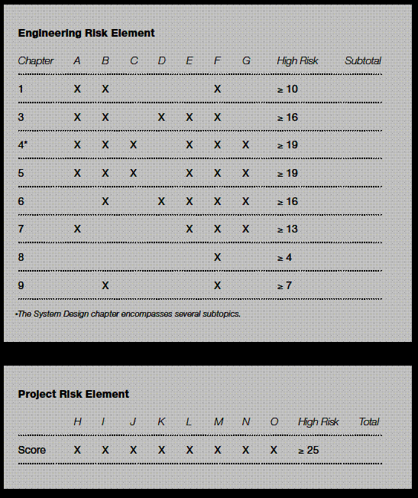
Engineering Risk Assessment |  |  |  | Engineering Risk Element
Item | Category | Rank | Comment on Ranking | Chapter | Subtotal | High Risk Threshold (Greater than or equal to) | HIGH RISK
A | Technology | 2 |  | 1 | 4 | 10 | --
B | Enviromental Impact | 1 |  | 3 | 10 | 16 | --
C | Vendor Issues | 2 |  | 4* | 10 | 19 | --
D | Resource Availability | 3 | Resources could be somewhat restricted. Front End programmers are in limited supply | 5 | 10 | 19 | --
E | Quality Requirements | 3 | Quality requirements are challenging but can be met with existing infrastructure. | 6 | 9 | 16 | --
F | Safety | 1 | Project will require standard safety considerations. | 7 | 7 | 13 | --
G | Manufacturing Complexity | 1 | The manufacturing process will be routine. | 8 | 1 | 4 | --
 |  |  |  | 9 | 2 | 4 | --
Project Management Risk Assessment |  |  |  | Management Risk Element
Item | Category | Rank | Comment on Ranking |  | Total | High Risk Threshold (Greater than or equal to) | HIGH RISK
H | Schedule | 3 | Schedule will be somewhat constrained. |  | 14 | 25 | --
I | Interfaces | 3 | Project success depends upon contributions from multiple departments at Fermilab.
J | Experience / Capability | 2 | Participation is by experts with some learning required.
K | Regulatory Requirements | 1 | Regulatory agencies will have no involvment.
L | Project Funding | 1 | A single source within Fermilab will supply the funds.
M | Project Reporting Requirements | 2 | Some reporting will need to be made to senior management.
N | Public Impact | 1 | The public will not be effected
O | Project Cost | 1 | The project will be within the department operating budget.
Interpreting the Graded Approach Worksheet
The Lead Engineer will fill out an engineering and project risk element table for his or her subproject.
If the subproject has a risk score of 5 in any engineering risk element (A - G),it will require formal control as described within the Engineering Manual chapters indicated in the table below.
If the subtotal of the risk scores for the elements related to one chapter is higher than the high risk score indicated in the table below, the topic covered in that chapter will also require formal control.
If the subproject has a risk score of 5 in any project risk element (A - O), or the project management risk (H - O) subtotal is 25, then the Project Manager will be notified. The Project Manager may choose to elevate formal control requirements to address elevated project management risk (H - O).
Risk Assessment
The Engineering Policy Manual Team has identified 15 potential risk elements to evaluate for each project.
The Department Head and Lead Engineer will determine the level of risk for each element and document it using the graded approach worksheet. The Department Head and Lead Engineer can use the guidelines in this chapter to determine the overall level of risk and to highlight high-risk categories. This risk assessment applies to the engineering subproject at hand, not the overall project. A subproject is a self-contained engineering task, component or system that generally falls under the responsibility of a single department. Subprojects do not take on the risk level of the larger project.
The engineer should record, in Tables 1 and 2 below, risk assessment integer values between 1 and 5, as follows:
1 low risk
2 low to medium risk
3 medium risk
4 medium to high risk
5 high risk
Definitions of the risk levels are given below with example criteria for risk levels 1, 3 and 5. Levels 2 and 4 are implied to fall between those provided.
Technology
This defines the degree of technical complexity the Lead Engineer or engineering team will face in executing the project.
1 The project will use off-the-shelf technology.
3 Engineers will purchase and modify off-the-shelf technology.
5 The project will require the development of new technology.
Environmental Impact
This defines the potential level of environmental impact.
1 There will be no environmental impact.
3 The project may have some environmental impact but will not require an environmental assessment, as determined by FESHM.
5 The project will require an environmental impact statement.
Vendor Issues
This defines the degree of complexity to be expected with vendors. Complicating factors may include long-lead-time items and issues with vendor qualification and reliability.
1 Vendors could cause minor issues.
3 Vendors could cause manageable complications.
5 Vendor issues could result in significant schedule delays or cost overruns or could otherwise jeopardize the successful completion of the project.
Resource Availability
This defines the availability of internal and external resources to plan and execute the project.
1 Resources will be readily available.
3 Resources could be somewhat restricted.
5 The difficulty of obtaining resources puts the project schedule at high risk.
Quality Requirements
This determines the effort required to achieve the quality level the customer assigns to the final product.
1 The quality requirements can be met easily with existing infrastructure.
3 The quality requirements are challenging but can be met with existing infrastructure.
5 The quality requirements are beyond the capability of existing infrastructure.
Safety
This defines the safety issues the project team will encounter while completing the project.
1 The project will require standard safety considerations.
3 The project will require increased diligence due to its location, the configuration of the product or the type of work required. This includes work requiring review according to FESHM.
5 The project will require very restrictive safety considerations. This includes work requiring review and personnel safety systems.
Manufacturing Complexity
This defines the degree of complexity to be expected when combining the elements of technology, operations and schedule in product manufacturing.
1 The manufacturing processes will be routine.
3 The project will require an existing technology that the manufacturer has not previously used.
5 The project will require new or complex manufacturing methods.
Schedule
This defines how much time the Lead Engineer or engineering team will have to complete the schedule.
1 Time will be unlimited.
3 The schedule will be somewhat constrained.
5 The subproject will be on the overall project critical path and has no schedule contingency.
Interfaces
This defines the risk associated with the complexity of integrating multiple subprojects.
1 One department at Fermilab will be involved with a standalone project.
3 Project success depends upon contributions from multiple departments at Fermilab.
5 Project success depends upon contributions from multiple institutions.
Experience/Capability
This defines the level of experience and capability project team members will have.
1 Only experts will participate.
3 A blend of experts and inexperienced personnel will participate.
5 Only inexperienced personnel will participate.
Regulatory Requirements
This identifies the degree to which oversight by governmental or other regulatory agencies will impact the project.
1 Regulatory agencies will have minor to no involvement.
3 The Department of Energy, DOE, will have direct regulatory involvement.
5 DOE, as well as state or federal government, will have regulatory involvement.
Project Funding
This defines the availability and approval status of project planning and execution funds.
1 A single source within Fermilab will fund the project.
3 A source outside of Fermilab will fund the project.
5 Multiple sources outside of Fermilab will fund the project.
Project Reporting Requirements
This indicates the level of reporting to the senior management the project requires.
1 Reports to senior management about the project will not be required.
3 The project will require quarterly performance reports.
5 The project will be highly visible. Top management or outside agencies will schedule visits and issue monthly performance reports.
Public Impact
This indicates how much the project will impact the public.
1 The public will not be affected.
3 The public may be somewhat affected and should be informed with news releases.
5 The project may have an impact on the public. The public should be involved through public forums and may participate in advisory councils.
Project Cost
This defines how much the project is projected to cost.
1 The project will be within the department operating budget.
3 The project will require divisional budget planning.
5 The project will require laboratory or DOE budget tracking and reporting.

